Sheet1
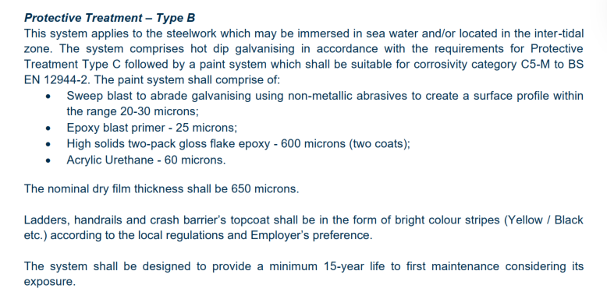
Project: Ash Shiwaymiyyah Port - Offshore Civil Works Package
S/N | Description | Unit | Quantity | Remarks / Reference specs
1 | Steel crash barrier | m | 1,865 | Safe Star 441b or equivalent with containment level H4. Protective coating should be Type B as per coating specs below

